1. Title Page
Instacart Grocery Basket Analysis

Project Name: Instacart Grocery Basket Analysis
Date: 20/04/2023
Analyst Name: Dheepika

Contents:
Population Flow
Consistency checks
Wrangling steps
Column derivations
Visualizations
Recommendations

Data Citation
Customer data, as well as the “prices” column in the products data set, were both fabricated for the purpose of this project
“The Instacart Online Grocery Shopping Dataset 2017”, Accessed from https://www.instacart.com/datasets/grocery-shopping-2017 on [date].

2. Population Flow
Title page

Population flow

Exclusion flag
Condition: max_order <
Obervations to be removed:
Final total count of order_products_all: 32404859

Orders_products_combined
Orders_products_merged
Orders_products_all

Total: 32404859
Total: 32434489
Total: 32404859

1.) The grey boxes in the first row of the population flow represent the original data sets as they were when you downloaded them. In the Total fields you need to add the count of the rows when you imported the data set into Jupyter.
2.) The second row of boxes (coloured) represents the data sets after you manipulated them, e.g., removed missing values and duplicates. In the Total fields you need to add the count of the rows after conducting these operations. This offers a visual oveview of how the data flows throughout the data consistency checks.
3.) The third row, where also the arrows are coloured, represents the merges you performed between the datasets. In the Total fields you need to add the count of the rows in the merged datasets, so that you end up with the final dataset (in the red box). Keep in mind the final dataset should be without exclusions (based on the exclusion flag).

3. Consistency checks
 |  |  |  | Title page
Consistency checks

Dataset | Missing values | Missing values treatment | Duplicates
orders | days_since_prior_order | Nothing. Since it contained NaN for order_number = 1 it makes sense to have NaN as there will be no days prior to the first order. | No duplicates.
products | product_name | Removed missing values | 5 duplicates were removed
orders_products_prior | No missing values |  | No duplicates.
customers | No missing values |  | No duplicates.

4. Wrangling steps
 |  |  |  | Title page
Wrangling steps

Columns dropped | Columns renamed | Columns' type changed | Comment/Reason
eval_set in orders.csv |  |  | Irrelevant data to my analysis
 | order_dow in orders.csv |  | Renamed to orders_day_of_week for better understanding
 |  | order_id in orders.csv | Changed from integer to string since it is a key related to specific order and not a numeric value
 |  | user_id in orders.csv | Changed from integer to string since it is a key related to specific user and not a numeric value
 |  | user_id in customers.csv | Changed from integer to string since it is a key related to specific user and not a numeric value
 | First Name, Surnam, STATE, Gender, Age, n_dependants, fam_status in customers.csv |  | Renamed for maintaining uniform naming convention and for better understanding
first_name, surname |  |  | PII data removed for data security
add_to_cart_order', 'reordered', 'aisle_id' |  |  | Irrelevant data to my analysis

5. Column derivations
 |  |  |  | Title page

Column derivations and aggregations

In this tab you should add tables below that the frequences of flags/label variables that you produced after deriving them. NB: don't do this for continuous variables, only for flags.
Dataset | New column | Column/s it was derived from | Conditions
orders_products_merged | price_range_loc | prices | if prices > 15, High-range product if prices > 5 & prices <= 15, Mid-range product if prices <= 5, Low-range product
orders_products_merged | busiest_day | orders_day_of_week | if orders_day_of_week = 0, Busiest day if orders_day_of_week = 4, Least Busy else Regularly Busy
orders_products_merged | busiest_days | orders_day_of_week | if orders_day_of_week = 0 & 1, Busiest day if orders_day_of_week = 4 & 3, Least Busy else Regularly Busy
orders_products_merged | busiest_period_of_day | order_hour_of_day | if order_hour_of_day = 10, Most orders if order_hour_of_day = 3, Least orders else Average orders
 | loyalty_flag | max_order | if ['max_order'] > 40, 'loyalty_flag' = 'Loyal Customer' if (['max_order'] <= 40) & (['max_order'] > 10), 'loyalty_flag' = 'Regular Customer' if ['max_order'] <= 10, 'loyalty_flag' = 'New Customer'
 | spending_flag | average_price | ['average_price'] < 10, 'spending_flag' = 'Low spender' ['average_price'] >= 10, 'spending_flag' = 'High spender'
 | order_frequency_flag | median_days_since_prior_order | ['median_days_since_prior_order'] > 20, 'order_frequency_flag' = 'Non-frequent customer' (['median_days_since_prior_order'] > 10) & (['median_days_since_prior_order'] <= 20), 'order_frequency_flag' = 'Regular customer' ['median_days_since_prior_order'] <= 10, 'order_frequency_flag' = 'Frequent customer'
 | region | state | if (value == 'Maine') or (value == 'New Hampshire') or (value == 'Vermont') or (value == 'Massachusetts') or (value == 'Rhode Island') or (value == 'Connecticut') or (value == 'New York') or (value == 'Pennsylvania') or (value =='New Jersey'): region.append('Northeast') elif (value == 'Wisconsin') or (value == 'Michigan') or (value == 'Illinois') or (value == 'Indiana') or (value == 'Ohio') or (value == 'North Dakota') or (value == 'South Dakota') or (value == 'Nebraska') or (value == 'Kansas') or (value == 'Minnesota') or (value == 'Iowa') or (value == 'Missouri'): region.append('Midwest') elif (value == 'Idaho') or (value == 'Montana') or (value == 'Wyoming') or (value == 'Nevada') or (value == 'Utah') or (value == 'Colorado') or (value == 'Arizona') or (value == 'New Mexico') or (value == 'Alaska') or (value == 'Washington') or (value == 'Oregon') or (value == 'California') or (value == 'Hawaii'): region.append('West') else: region.append('South')
 | low_order_flag | max_order | df_orders_products_all.loc[df_orders_products_all['max_order'] < 5, 'low_order_flag'] = 'Low order customer' df_orders_products_all.loc[df_orders_products_all['max_order'] >= 5, 'low_order_flag'] = 'High order customer'
 | age_profile | age | df_orders_products_all.loc[(df_orders_products_all['age'] <= 40), 'age_profile'] = '18-40' df_orders_products_all.loc[(df_orders_products_all['age'] > 40) & (df_orders_products_all['age'] <= 60), 'age_profile'] = '41-60' df_orders_products_all.loc[(df_orders_products_all['age'] > 60), 'age_profile'] = '60+'
 | income_profile | income | df_all.loc[(df_all['income'] <= 50000), 'income_profile'] = '<=50k' df_all.loc[(df_all['income'] > 50000) & (df_all['income'] <= 150000), 'income_profile'] = '50k - 150k' df_all.loc[(df_all['income'] > 150000), 'income_profile'] = '150k+'
 | family_profile | number_of_dependants | df_all.loc[(df_all['number_of_dependants'] == 0), 'family_profile'] = 'Single Adult' df_all.loc[(df_all['number_of_dependants'] != 0), 'family_profile'] = 'Family'

6. Visualizations
 |  |  |  | Title page

Visualisations

In this tab you should include all the visualtions from Exercises 4.9 and 4.10, alongside the questions from the project brief that they answer. Include any commentary on the relationship between different variables.

Input to the Instacart senior stakeholders with descriptive findings about sales using histogram of the “order_hour_of_day” column.
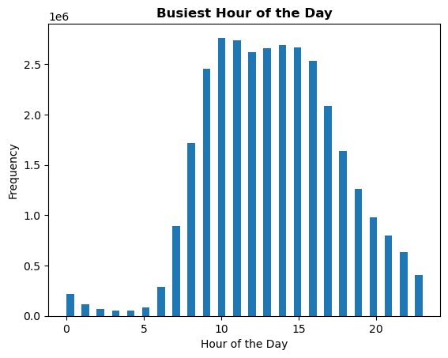

 |  | The histogram shows that the peak time with high sale is between 10am and 5pm.

The marketing team is curious about the distribution of orders among customers in terms of loyalty. Create a bar chart from the “loyalty_flag” column.

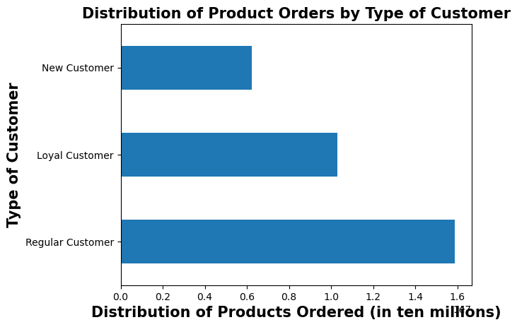

 |  | The regular customers order the most followed by loyal and new customer categories.

Is there a difference in expenditure (the “prices” column) depending on the hour of the day?

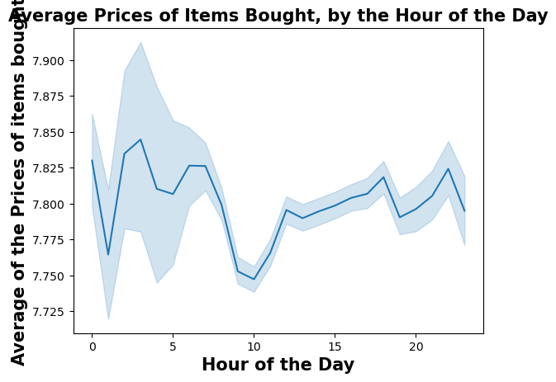

 |  | The price expenditure is highest between 1 AM and 5 AM, lowest around 10 AM.

Is there a connection between age and family situation?

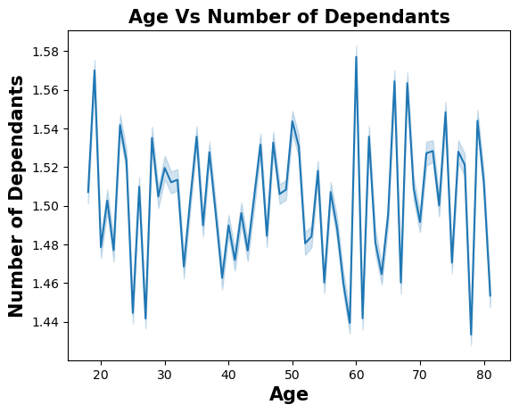

 |  | As we can see the graph is random, we can infer that there is no connection between age and family situation (i.e. number of dependants)

Is there a connection between age and spending power (income)?

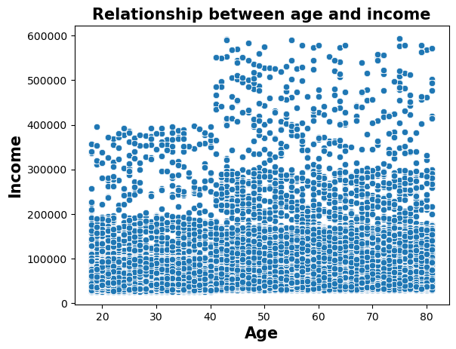

 |  | The scatterplot shows that customers in the age group 20 to 40 earn up to 200k, with outliers earning up to 400k while customers above 40 age earn up to 300k with outliers earning upto 600k.

Is there a difference in spending habits between the different U.S. regions?

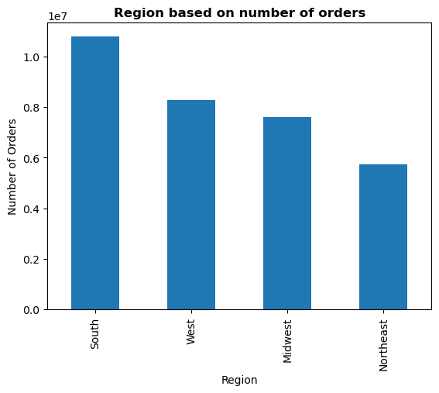

 |  | Number of orders is highest in the region South followed by West, Midwest and Northeast.

Insights for Marketing & Business strategy units at Instacart for different customer profiles across regions and departments

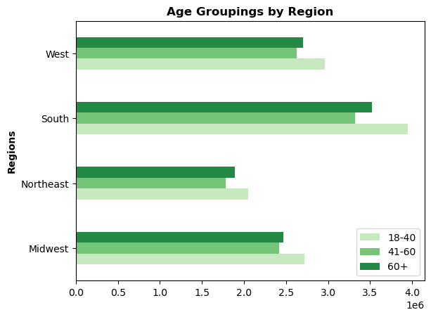
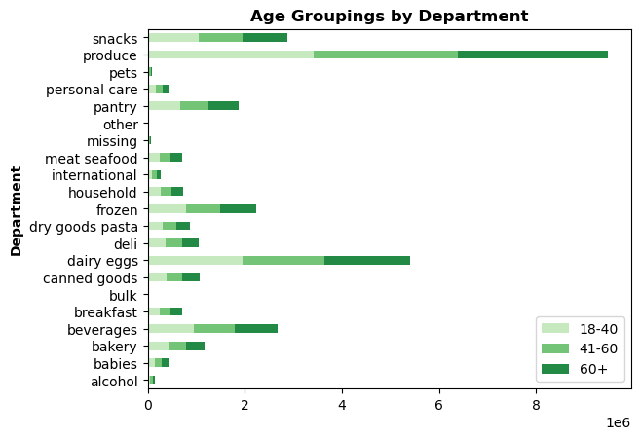

 | Customers with age group 18-40 in southern region is the highest category. |  | Produce is the highest category in department followed by dairy eggs across age groups.

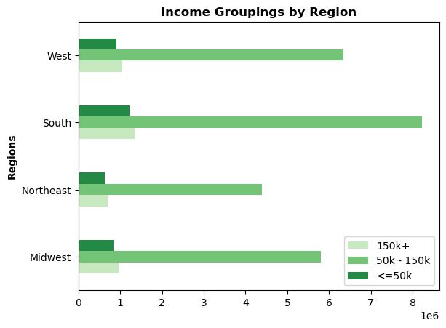
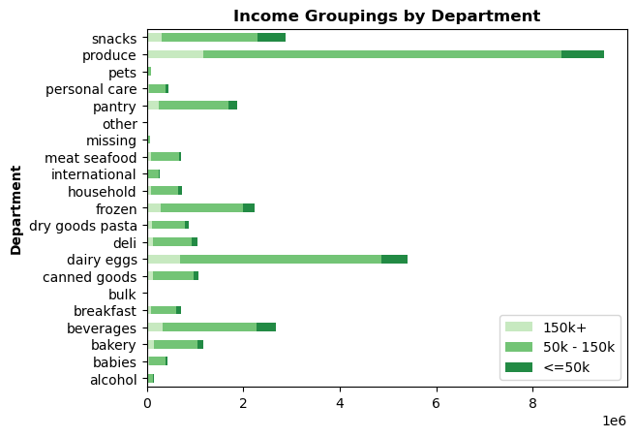

 | Customers with income 50k-150k in southern region is the highest category. |  | Produce is the highest category in department followed by dairy eggs across income groups.

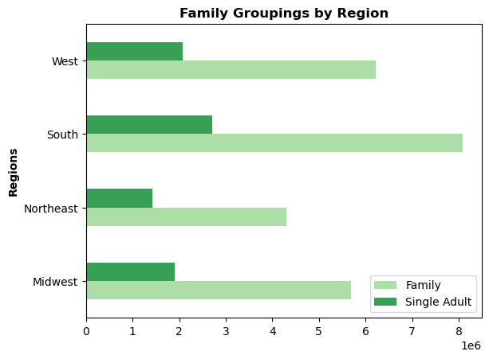
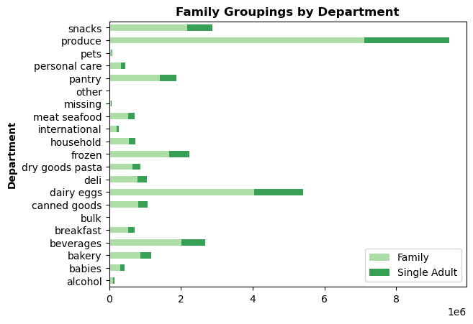

 | Customers with family in southern region is the highest category. |  | Customers with family purchase the most products in produce department followed by dairy eggs.

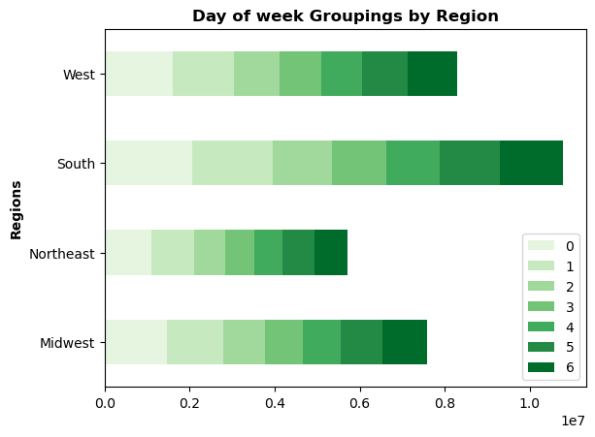
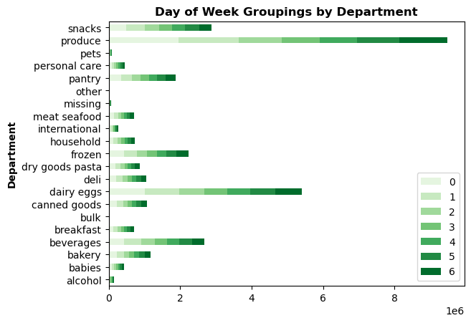

 | Saturday in southern region is the highest category. |  | Customers purchase the most products in produce department followed by dairy eggs on Saturday.

7. Recommendations
 |  |  |  |  |  | Title page

Recommendations

In this tab you should include any recommendations you would made to Instcart in terms of their marketing strategy based on the questions posed in the brief. Every key question has been covered in the Tasks of the Exercises - here you need to add an item - a visualisation or table/crosstable that is showing the answer in the data, acompanied by a comment from you. Please, list the questions below and add the answer underneath.

Key Questions | Answers
1. The sales team needs to know what the busiest days of the week and hours of the day are (i.e., the days and times with the most orders) in order to schedule ads at times when there are fewer orders. | The busiest day of week is Saturday followed by Sunday. Least busy day is Wednesday followed by Tuesday. The busiest hour of day is 10 AM. Least busy hour of the day is 3-4 AM. It doesn't make sense to schedule ads at those times since there won't be much audience available to place an order. | 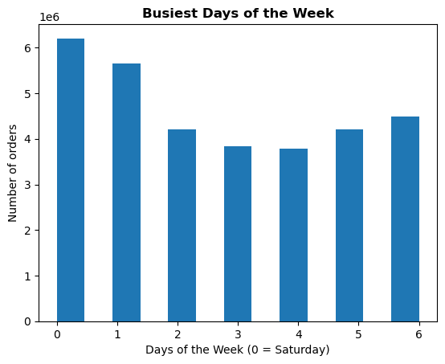 |  | 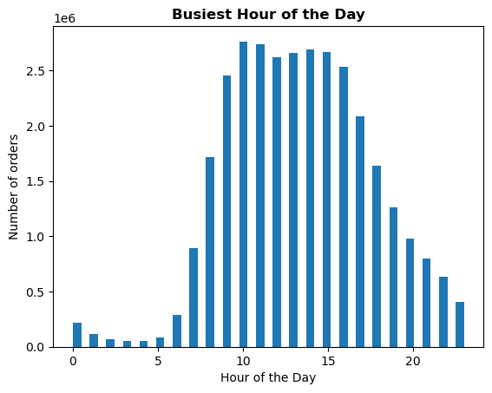

2. They also want to know whether there are particular times of the day when people spend the most money, as this might inform the type of products they advertise at these times. | People spend the most money during the busiest hours of the day i.e. 10AM. The top departments from where the products are bought include Produce, Dairy and Eggs. | 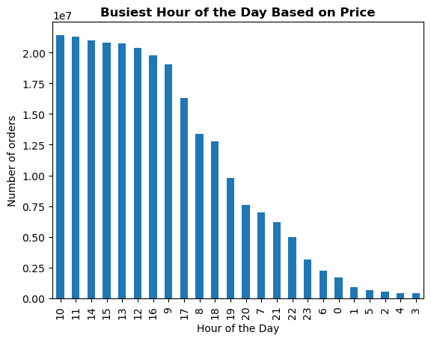 |  | 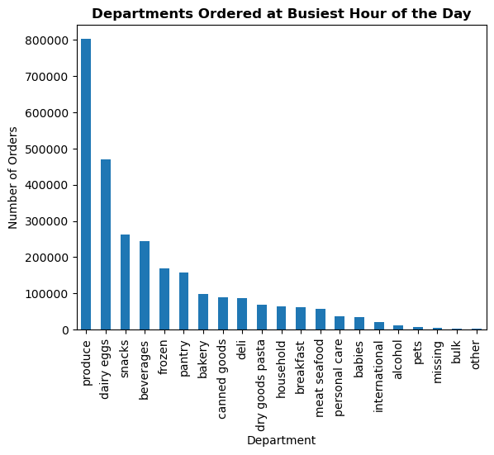

3. Instacart has a lot of products with different price tags. Marketing and sales want to use simpler price range groupings to help direct their efforts. | "['average_price'] < 10, 'spending_flag' = 'Low spender' ['average_price'] >= 10, 'spending_flag' = 'High spender'" |  |  |  | 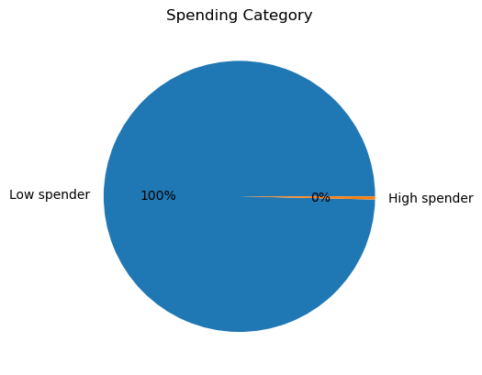

4. Are there certain types of products that are more popular than others? The marketing and sales teams want to know which departments have the highest frequency of product orders. | The departments with highest frequency of product orders - 1. Produce 2. Dairy eggs 3. Snacks 4. Beverages 5. Frozen | 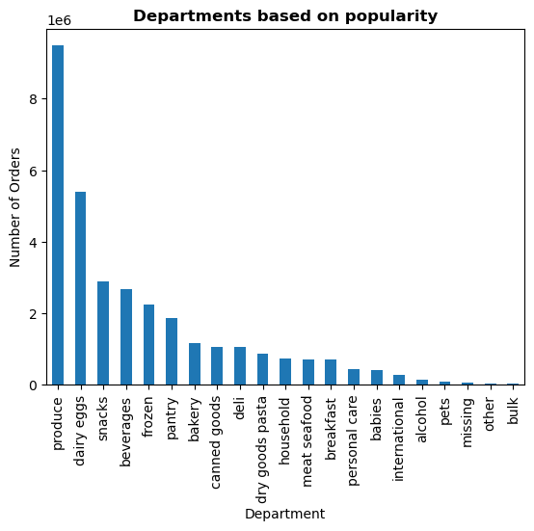

5. The marketing and sales teams are particularly interested in the different types of customers in their system and how their ordering behaviors differ.

5.1 What’s the distribution among users in regards to their brand loyalty (i.e., how often do they return to Instacart)? | The loyal customers are mostly the frequent customers. The regular customers are majorly frequent customers followed by regular and non-frequent customers. The new customers are less in number with non-frequent customer being the highest followed by regualar and frequent customers. | 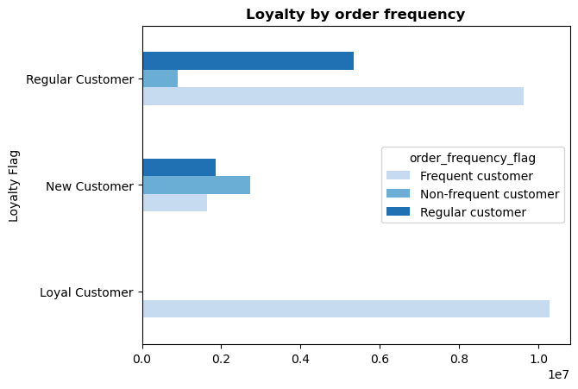

5.2 Are there differences in ordering habits based on a customer’s loyalty status? | The regular customers order the most followed by loyal and new customer categories. The prices of products purchased by loyal customers do not differ hugely from those purchased by regular or new customers. | 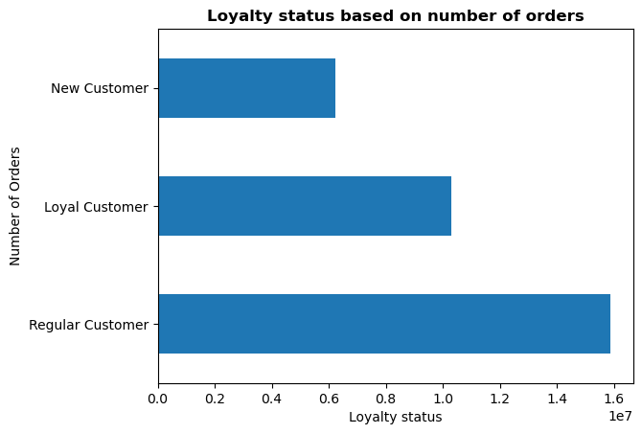

5.3 Are there differences in ordering habits based on a customer’s region? | Number of orders is highest in the region South followed by West, Midwest and Northeast.

5.4 Is there a connection between age and family status in terms of ordering habits? | There are upto 3 dependants across age group 20-80. |  | 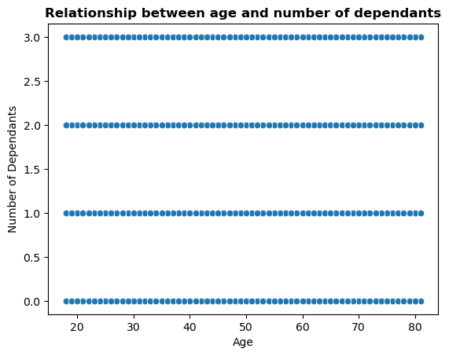

5.5 What different classifications does the demographic information suggest? Age? Income? Certain types of goods? Family status? | Customers in the age category of 18-40 is the highest followed by 60+ and 41-60 age group. Customers in the income category of 50k-150k is the largest followed by 150k+ and less than 50k income category. 75% of Instacart customers are family man/woman while the rest are single adult. |  | 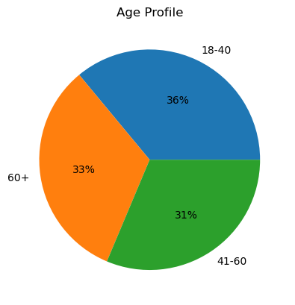 | 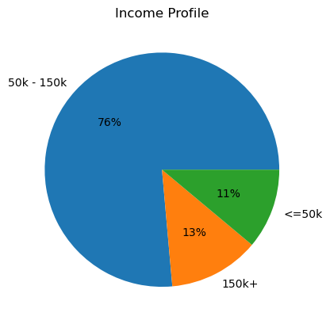 |  |  | 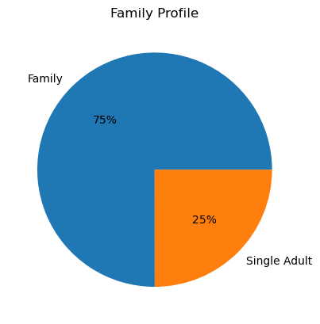

5.6 What differences can you find in ordering habits of different customer profiles? Consider the price of orders, the frequency of orders, the products customers are ordering, and anything else you can think of. | Customers across all age profile have 11 days between each orders. Customers under the age group of 18-40 has contributed the highest revenue to Instacart followed by 60+ and 41-60. The number of days between each order is 10 or 11 across customers of all income category. Customers with income above 150k have contributed the highest revenue to Instacart. The average number of days between each order is 11 across customers of all family category. Customers with family have contributed the highest revenue to Instacart compared to single adult. | 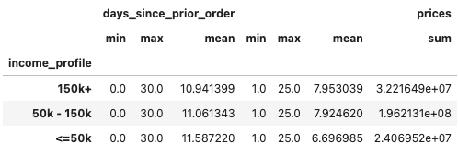 | 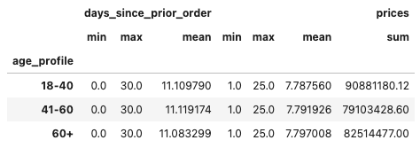

6. Senior Vice President of Sales: “We need to know what part of our offering has the lowest market share and why. Based on this input, we could improve this sector and boost sales.” | Department with less than 2% market share can be marked as low share departments. They are 'household', 'meat seafood', 'breakfast', 'personal care', 'babies', 'international', 'alcohol', 'pets', 'missing', 'other', 'bulk'. |  | 